Pumping_Test_1
time (s) | drawdown (m)
0.4 | 0
0.8 | 0.001375
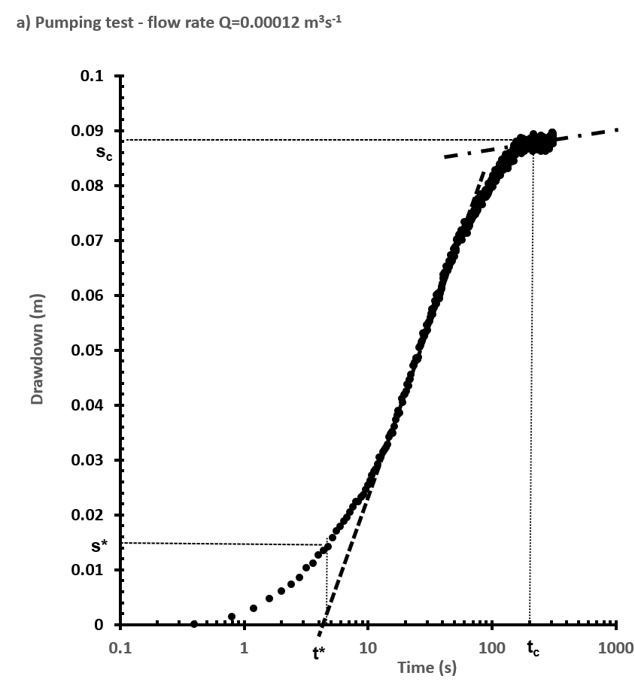
1.2 | 0.002875
1.6 | 0.00475
2 | 0.006
2.4 | 0.00725
2.8 | 0.0085
3.2 | 0.010375
3.6 | 0.011125
4 | 0.012625
4.4 | 0.0135
4.8 | 0.014124
5.2 | 0.01575
5.6 | 0.017075
6 | 0.017875
6.4 | 0.01875
6.8 | 0.0195
7.2 | 0.020375
7.6 | 0.021425
8 | 0.022375
8.4 | 0.022425
8.8 | 0.023125
9.2 | 0.023625
9.6 | 0.0245
10 | 0.025375
10.4 | 0.02625
10.8 | 0.027125
11.2 | 0.027875
11.6 | 0.02825
12 | 0.02925
12.4 | 0.030375
12.8 | 0.0305
13.2 | 0.0314
13.6 | 0.03175
14 | 0.03225 | 1
14.4 | 0.03275
14.8 | 0.034125
15.2 | 0.034625
15.6 | 0.035125
16 | 0.034875
16.4 | 0.036125
16.8 | 0.03725
17.2 | 0.038125
17.6 | 0.039
18 | 0.0385
18.8 | 0.041125
19 | 0.040375
19.6 | 0.041875
20 | 0.042
20.4 | 0.0425
20.8 | 0.04375
21.2 | 0.0435
21.6 | 0.0445
22 | 0.044625
22.4 | 0.0455
23.2 | 0.047125
23.6 | 0.047125
24 | 0.04775
24.4 | 0.0485
24.8 | 0.0485
25.2 | 0.04825
25.6 | 0.048625
26 | 0.0505
26.4 | 0.050625
26.8 | 0.050875
27.2 | 0.051375
27.6 | 0.051625
28 | 0.053
28.4 | 0.052625
28.8 | 0.0525
29.2 | 0.053
29.6 | 0.053375
30 | 0.0545
30.4 | 0.053625
30.8 | 0.054875
31.2 | 0.055125
31.6 | 0.05525
32 | 0.055875
32.4 | 0.056625
32.8 | 0.057375
33.2 | 0.0565
33.6 | 0.057125
34 | 0.0575
34.4 | 0.05775
34.8 | 0.058875
35.2 | 0.058375
35.6 | 0.058375
36 | 0.06
36.4 | 0.05975
36.8 | 0.06025
37.2 | 0.060125
37.6 | 0.059375
38 | 0.059875
38.4 | 0.06025
38.8 | 0.060875
39.2 | 0.061125
39.6 | 0.0615
40 | 0.062125
40.4 | 0.063
40.8 | 0.06375
41.2 | 0.063125
41.6 | 0.064125
42 | 0.06325
42.4 | 0.063875
42.8 | 0.06425
43.2 | 0.06525
43.6 | 0.064375
44 | 0.064625
44.4 | 0.064375
44.8 | 0.065125
45.2 | 0.065125
45.6 | 0.06625
46 | 0.065625
46.4 | 0.06725
46.8 | 0.0665
47.2 | 0.066
47.6 | 0.066125
48 | 0.06625
48.4 | 0.067
48.8 | 0.067
49.2 | 0.06725
49.6 | 0.068375
50 | 0.067
50.4 | 0.068
50.8 | 0.06875
51.2 | 0.068375
51.6 | 0.068
52 | 0.07
52.4 | 0.070125
52.8 | 0.0695
53.2 | 0.06975
53.6 | 0.069875
54 | 0.069875
54.4 | 0.071
54.8 | 0.070125
55.2 | 0.07025
55.6 | 0.070375
56 | 0.07125
56.4 | 0.071125
56.8 | 0.071875
57.2 | 0.071
57.6 | 0.07
58 | 0.07125
58.4 | 0.071625
58.8 | 0.07175
59.2 | 0.071125
60 | 0.073375
60.4 | 0.072
60.8 | 0.072375
61.6 | 0.07325
62 | 0.072875
63.2 | 0.07325
63.6 | 0.07125
64 | 0.073
64.4 | 0.07325
64.8 | 0.072625
65.6 | 0.072375
66 | 0.072625
66.4 | 0.073
66.8 | 0.074375
67.2 | 0.0735
67.6 | 0.073625
68 | 0.073625
68.4 | 0.074125
68.8 | 0.073875
69.2 | 0.073875
69.6 | 0.074375
70 | 0.074625
70.4 | 0.075
70.8 | 0.074375
71.2 | 0.07425
71.6 | 0.075375
72 | 0.07475
72.4 | 0.07525
72.8 | 0.074875
73.2 | 0.075625
73.6 | 0.075875
74 | 0.075125
74.4 | 0.074625
74.8 | 0.0765
75.2 | 0.076375
75.6 | 0.07575
76 | 0.075875
76.4 | 0.07525
76.8 | 0.0755
77.2 | 0.076375
77.6 | 0.0775
78 | 0.07625
78.4 | 0.077125
78.8 | 0.076875
79.2 | 0.076875
79.6 | 0.077375
80 | 0.07675
80.4 | 0.076875
80.8 | 0.07725
81.2 | 0.07825
81.6 | 0.078
82 | 0.078375
82.4 | 0.077625
82.8 | 0.077
83.2 | 0.077625
83.6 | 0.07775
84 | 0.078125
84.4 | 0.0765
84.8 | 0.078
85.2 | 0.078
85.6 | 0.07775
86 | 0.078125
86.4 | 0.078375
86.8 | 0.07775
87.2 | 0.078375
87.6 | 0.07825
88 | 0.078375
88.4 | 0.079125
88.8 | 0.079
89.2 | 0.078625
89.6 | 0.077875
90 | 0.07925
90.4 | 0.07825
90.8 | 0.078375
91.2 | 0.07925
91.6 | 0.079
92 | 0.078375
92.4 | 0.07825
92.8 | 0.07875
93.2 | 0.07925
93.6 | 0.0785
94 | 0.08025
94.4 | 0.079
94.8 | 0.079125
95.2 | 0.079
95.6 | 0.079125
96 | 0.0795
96.4 | 0.08
96.8 | 0.0805
97.2 | 0.0805
97.6 | 0.07975
98 | 0.080375
98.4 | 0.080375
98.8 | 0.079875
99.2 | 0.080375
99.6 | 0.081
100 | 0.079625
100.4 | 0.0805
100.8 | 0.08025
101.2 | 0.080875
101.6 | 0.08175
102 | 0.07975
102.4 | 0.0815
102.8 | 0.081
103.2 | 0.081
103.6 | 0.08075
104 | 0.08125
104.4 | 0.081125
104.8 | 0.08175
105.2 | 0.081125
105.6 | 0.081625
106 | 0.08275
106.4 | 0.081125
106.8 | 0.081875
107.2 | 0.0815
107.6 | 0.08075
108 | 0.081125
108.4 | 0.081625
108.8 | 0.08275
109.2 | 0.081125
109.6 | 0.081875
110 | 0.082
110.4 | 0.081625
110.8 | 0.081625
111.2 | 0.0825
111.6 | 0.082
112 | 0.083
112.4 | 0.082375
112.8 | 0.08275
113.2 | 0.082875
113.6 | 0.082625
114 | 0.08275
114.4 | 0.082625
114.8 | 0.082875
115.2 | 0.08275
115.6 | 0.083875
116 | 0.083125
116.4 | 0.0835
116.8 | 0.083625
117.2 | 0.081875
117.6 | 0.08325
118 | 0.08325
118.4 | 0.083875
118.8 | 0.084
119.2 | 0.083375
119.6 | 0.083375
120 | 0.084375
120.4 | 0.084625
120.8 | 0.08275
121.2 | 0.083875
121.6 | 0.08375
122 | 0.083375
122.4 | 0.083875
122.8 | 0.083375
123.2 | 0.084
123.6 | 0.084625
124 | 0.083375
124.4 | 0.08275
124.8 | 0.08325
125.2 | 0.085
125.6 | 0.084625
126 | 0.08475
126.4 | 0.08375
126.8 | 0.08375
127.2 | 0.08375
127.6 | 0.084375
128 | 0.084
128.4 | 0.08375
128.8 | 0.085625
129.2 | 0.084
129.6 | 0.083625
130 | 0.08525
130.4 | 0.083625
130.8 | 0.083875
131.2 | 0.083875
131.6 | 0.084125
132 | 0.085
132.4 | 0.084625
132.8 | 0.084875
133.2 | 0.084
133.6 | 0.08475
134.4 | 0.0835
134.8 | 0.084625
135.2 | 0.083
135.6 | 0.08375
136 | 0.085375
136.4 | 0.08425
136.8 | 0.085375
137.2 | 0.084875
137.6 | 0.08525
138 | 0.085875
138.4 | 0.084875
138.8 | 0.084625
139.2 | 0.085375
139.6 | 0.08525
140 | 0.084625
140.4 | 0.085
140.8 | 0.08475
141.2 | 0.085
141.6 | 0.085
142 | 0.0855
142.4 | 0.084625
142.8 | 0.0845
143.2 | 0.085875
143.6 | 0.0855
144 | 0.085625
144.4 | 0.085
144.8 | 0.08425
145.2 | 0.08525
145.6 | 0.0855
146 | 0.085875
146.4 | 0.0855
146.8 | 0.085625
147.2 | 0.085125
147.6 | 0.085375
148 | 0.086625
148.4 | 0.08525
148.8 | 0.085375
149.2 | 0.085375
149.6 | 0.085625
150.4 | 0.086125
150.8 | 0.086125
151.2 | 0.084375
151.6 | 0.08725
152 | 0.086
152.4 | 0.0855
152.8 | 0.08675
153.2 | 0.085875
153.6 | 0.086125
154 | 0.08675
154.4 | 0.086125
154.8 | 0.0855
155.2 | 0.086625
155.6 | 0.0865
156 | 0.085875
156.4 | 0.088
156.8 | 0.085875
157.2 | 0.086
157.6 | 0.08725
158 | 0.086125
158.4 | 0.085875
158.8 | 0.087
159.2 | 0.0875
159.6 | 0.087
160 | 0.08625
160.4 | 0.086375
160.8 | 0.085875
161.2 | 0.086375
161.6 | 0.085875
162 | 0.086625
162.4 | 0.086625
162.8 | 0.087
163.2 | 0.086875
163.6 | 0.086875
164 | 0.086875
164.4 | 0.087125
164.8 | 0.08775
165.2 | 0.0875
165.6 | 0.087
166 | 0.088125
166.4 | 0.0865
166.8 | 0.087125
167.2 | 0.087
167.6 | 0.087
168 | 0.086875
168.4 | 0.08675
168.8 | 0.0875
169.2 | 0.08625
169.6 | 0.087875
170 | 0.088625
170.4 | 0.087375
170.8 | 0.08675
171.2 | 0.08725
171.6 | 0.086375
172 | 0.086375
172.4 | 0.08575
172.8 | 0.087625
173.2 | 0.088
173.6 | 0.08725
174 | 0.087
174.4 | 0.08675
174.8 | 0.087125
175.2 | 0.087625
175.6 | 0.0865
176 | 0.086625
176.4 | 0.087125
176.8 | 0.087875
177.2 | 0.0865
177.6 | 0.087625
178 | 0.087375
178.4 | 0.08725
178.8 | 0.08725
179.2 | 0.08725
179.6 | 0.0885
180 | 0.0875
180.4 | 0.088125
180.8 | 0.088125
181.2 | 0.087625
181.6 | 0.087125
182 | 0.086875
182.4 | 0.0875
182.8 | 0.08625
183.2 | 0.086875
183.6 | 0.087
184 | 0.087
184.4 | 0.087
184.8 | 0.086875
185.2 | 0.087875
185.6 | 0.08675
186 | 0.087
186.4 | 0.086625
186.8 | 0.08825
187.2 | 0.087
187.6 | 0.087
188 | 0.087625
188.4 | 0.088125
188.8 | 0.087125
189.2 | 0.087375
189.6 | 0.087125
190 | 0.087625
190.4 | 0.08825
190.8 | 0.087625
191.2 | 0.08725
191.6 | 0.087375
192 | 0.088
192.4 | 0.08725
192.8 | 0.086625
193.2 | 0.087625
193.6 | 0.087
194 | 0.087
194.4 | 0.0875
194.8 | 0.087625
195.2 | 0.087
195.6 | 0.0875
196 | 0.087125
196.4 | 0.08775
196.8 | 0.087625
197.2 | 0.087125
197.6 | 0.08775
198 | 0.088125
198.4 | 0.086875
198.8 | 0.0875
199.2 | 0.087875
199.6 | 0.087625
200 | 0.0875
200.4 | 0.088375
200.8 | 0.088
201.2 | 0.087
201.6 | 0.08725
202 | 0.0875
202.4 | 0.087375
202.8 | 0.088
203.2 | 0.0875
203.6 | 0.08675
204 | 0.08675
204.4 | 0.08675
204.8 | 0.08775
205.2 | 0.08725
205.6 | 0.08825
206 | 0.08775
206.4 | 0.088375
206.8 | 0.088375
207.2 | 0.08825
207.6 | 0.088625
208 | 0.08825
208.4 | 0.087125
208.8 | 0.088
209.2 | 0.0885
209.6 | 0.087875
210 | 0.087875
210.4 | 0.088
210.8 | 0.087625
211.2 | 0.0875
211.6 | 0.0875
212 | 0.087625
212.4 | 0.087375
212.8 | 0.087375
213.2 | 0.08625
213.6 | 0.088375
214 | 0.088375
214.4 | 0.087875
214.8 | 0.0875
215.2 | 0.087625
215.6 | 0.089375
216 | 0.088
216.8 | 0.088875
217.2 | 0.088875
217.6 | 0.08875
218 | 0.088625
218.8 | 0.088875
219.6 | 0.088
220 | 0.089
220.4 | 0.088375
220.8 | 0.0885
221.2 | 0.08875
221.6 | 0.088375
222 | 0.088
222.4 | 0.08825
222.8 | 0.08725
223.2 | 0.087625
223.6 | 0.087625
224 | 0.08875
224.4 | 0.088375
225.2 | 0.087375
225.6 | 0.088625
226 | 0.088125
226.4 | 0.0885
226.8 | 0.08775
227.2 | 0.088375
227.6 | 0.08775
228 | 0.08725
228.4 | 0.08775
228.8 | 0.08725
229.2 | 0.087125
229.6 | 0.088125
230 | 0.08825
230.4 | 0.088375
230.8 | 0.0885
231.2 | 0.08775
231.6 | 0.087875
232 | 0.088375
232.4 | 0.087875
232.8 | 0.08725
233.2 | 0.08775
233.6 | 0.087625
234 | 0.0875
234.4 | 0.088125
234.8 | 0.086875
235.2 | 0.0865
235.6 | 0.08775
236 | 0.0875
236.4 | 0.086875
236.8 | 0.0865
237.2 | 0.0875
237.6 | 0.086625
238 | 0.087875
238.4 | 0.0875
238.8 | 0.087375
239.2 | 0.0865
239.6 | 0.087375
240 | 0.08775
240.4 | 0.088
240.8 | 0.08825
241.2 | 0.087625
241.6 | 0.087625
242 | 0.087125
242.4 | 0.088375
242.8 | 0.087625
243.2 | 0.087875
243.6 | 0.08725
244 | 0.087375
244.4 | 0.08675
244.8 | 0.087375
245.2 | 0.088
245.6 | 0.088375
246 | 0.087625
246.4 | 0.08725
246.8 | 0.0875
247.2 | 0.087875
247.6 | 0.088375
248 | 0.08625
248.4 | 0.087375
248.8 | 0.088625
249.2 | 0.0875
249.6 | 0.0865
250 | 0.0885
250.4 | 0.087625
250.8 | 0.089125
251.2 | 0.088
251.6 | 0.087875
252 | 0.088125
252.4 | 0.088125
252.8 | 0.0875
253.2 | 0.087125
253.6 | 0.086875
254 | 0.087
254.4 | 0.087625
254.8 | 0.087625
255.2 | 0.08825
255.6 | 0.08725
256 | 0.087125
256.4 | 0.08775
256.8 | 0.08725
257.2 | 0.087875
257.6 | 0.08775
258 | 0.087875
258.4 | 0.08725
258.8 | 0.087375
259.2 | 0.08825
259.6 | 0.08725
260 | 0.0875
260.4 | 0.087375
260.8 | 0.087625
261.2 | 0.088125
261.6 | 0.088125
262 | 0.08875
262.4 | 0.088125
262.8 | 0.088125
263.2 | 0.088625
263.6 | 0.087
264 | 0.08725
264.4 | 0.08725
264.8 | 0.08725
265.2 | 0.08725
265.6 | 0.087125
266 | 0.08825
266.4 | 0.08775
266.8 | 0.0885
267.2 | 0.08825
267.6 | 0.08775
268 | 0.087125
268.4 | 0.087375
268.8 | 0.087625
269.2 | 0.086375
269.6 | 0.08775
270 | 0.086375
270.4 | 0.088375
270.8 | 0.08675
271.2 | 0.08775
271.6 | 0.08625
272 | 0.087375
272.4 | 0.087125
272.8 | 0.087
273.2 | 0.088375
273.6 | 0.087125
274 | 0.087
274.4 | 0.08725
274.8 | 0.086625
275.2 | 0.0865
275.6 | 0.086625
276 | 0.0865
276.4 | 0.086625
276.8 | 0.087625
277.2 | 0.088125
277.6 | 0.0875
278 | 0.088125
278.4 | 0.087375
278.8 | 0.087625
279.2 | 0.08825
279.6 | 0.087375
280 | 0.08725
280.4 | 0.086875
280.8 | 0.0875
281.2 | 0.087625
281.6 | 0.088
282 | 0.086875
282.4 | 0.088125
282.8 | 0.087875
283.2 | 0.088
283.6 | 0.088375
284 | 0.087125
284.4 | 0.0875
284.8 | 0.08825
285.2 | 0.088675
285.6 | 0.0875
286 | 0.0885
286.4 | 0.0875
286.8 | 0.08775
287.2 | 0.087375
287.6 | 0.087625
288 | 0.0885
288.4 | 0.088375
288.8 | 0.087625
289.2 | 0.088625
289.6 | 0.08825
290 | 0.088
290.4 | 0.088
290.8 | 0.08825
291.2 | 0.087375
291.6 | 0.08875
292 | 0.086875
292.4 | 0.087
292.8 | 0.086625
293.2 | 0.087875
293.6 | 0.087625
294 | 0.088375
294.4 | 0.087625
294.8 | 0.08725
295.2 | 0.088
295.6 | 0.088875
296 | 0.088375
296.4 | 0.088625
296.8 | 0.0885
297.2 | 0.08775
297.6 | 0.088
298 | 0.087875
298.4 | 0.089
298.8 | 0.0885
299.2 | 0.0875
299.6 | 0.08875
300 | 0.088
300.4 | 0.089125
300.8 | 0.08875
301.2 | 0.087875
302 | 0.089375
302.4 | 0.089
302.8 | 0.089
303.2 | 0.089
303.6 | 0.088875
304 | 0.089
304.4 | 0.08925
304.8 | 0.088875
305.2 | 0.088625
306 | 0.089625
306.4 | 0.08825
306.8 | 0.08925
307.2 | 0.089625
307.6 | 0.0885
308 | 0.089625
308.4 | 0.08875
308.8 | 0.08925
309.6 | 0.0893
310.4 | 0.08954
310.8 | 0.088125
311.2 | 0.087625
311.6 | 0.089125
312 | 0.08875
312.4 | 0.089125
312.8 | 0.088375
314 | 0.088875
314.8 | 0.088375

Pumping_Test_2
time (s) | drawdown (m)
0.4 | 0
0.8 | 0.001875
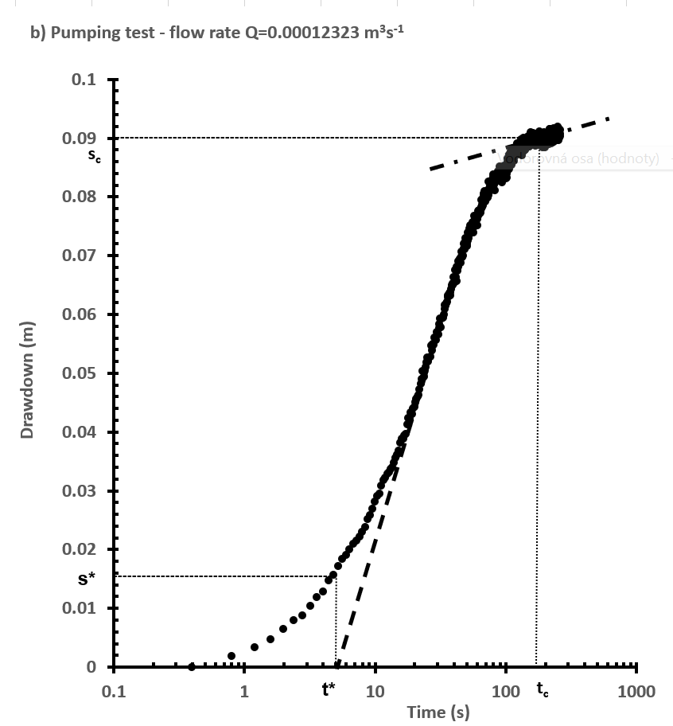
1.2 | 0.003375
1.6 | 0.00475
2 | 0.0065
2.4 | 0.007875
2.8 | 0.0088
3.2 | 0.010375
3.6 | 0.0118025
4 | 0.012875
4.4 | 0.01475
4.8 | 0.015625
5.2 | 0.017125
5.6 | 0.018425
6 | 0.019022
6.4 | 0.02
6.8 | 0.021
7.2 | 0.0215
7.6 | 0.022125
8 | 0.023
8.4 | 0.023825
8.8 | 0.025175
9.2 | 0.025875
9.6 | 0.026875
10 | 0.028175
10.4 | 0.02901
10.8 | 0.0294775
11.2 | 0.0308075
11.6 | 0.03175
12 | 0.032125
12.4 | 0.032875
12.8 | 0.03315
13.2 | 0.033625
13.6 | 0.033975
14 | 0.03475 | 1
14.4 | 0.035495
14.8 | 0.036125
15.2 | 0.036825
15.6 | 0.038075
16 | 0.03875
16.4 | 0.038875
16.8 | 0.039375
17.2 | 0.039625
17.6 | 0.04125
18 | 0.042375
18.4 | 0.04225
18.8 | 0.04325
19.2 | 0.043
19.6 | 0.044
20 | 0.04425
20.4 | 0.045
20.8 | 0.045625
21.2 | 0.046
21.6 | 0.04625
22 | 0.04725
22.4 | 0.048125
22.8 | 0.049
23.2 | 0.050375
23.6 | 0.049375
24 | 0.0505
24.4 | 0.051
24.8 | 0.05175
25.2 | 0.052625
25.6 | 0.052
26 | 0.052625
26.4 | 0.05275
26.8 | 0.054625
27.2 | 0.053875
27.6 | 0.054875
28 | 0.05475
28.4 | 0.056
28.8 | 0.056
29.2 | 0.055625
29.6 | 0.057
30 | 0.056875
30.4 | 0.0565
30.8 | 0.057625
31.2 | 0.05825
31.6 | 0.05925
32 | 0.05775
32.4 | 0.05925
32.8 | 0.059375
33.2 | 0.059375
33.6 | 0.06
34 | 0.0615
34.4 | 0.060875
34.8 | 0.061375
35.2 | 0.061875
35.6 | 0.062125
36 | 0.063125
36.4 | 0.062875
36.8 | 0.063
37.2 | 0.063625
37.6 | 0.06325
38 | 0.06375
38.4 | 0.06425
38.8 | 0.065
39.2 | 0.06525
39.6 | 0.065
40 | 0.06625
40.4 | 0.065375
40.8 | 0.065875
41.2 | 0.0675
41.6 | 0.06625
42 | 0.065625
42.4 | 0.068
42.8 | 0.067375
43.2 | 0.068
43.6 | 0.069
44 | 0.069
44.4 | 0.068875
44.8 | 0.069375
45.2 | 0.06875
45.6 | 0.069875
46 | 0.070625
46.4 | 0.069875
46.8 | 0.069625
47.2 | 0.07
47.6 | 0.071125
48 | 0.072
48.4 | 0.071
48.8 | 0.072125
49.2 | 0.072875
49.6 | 0.07225
50 | 0.072
50.4 | 0.071625
50.8 | 0.072
51.2 | 0.0725
51.6 | 0.073875
52 | 0.073375
52.4 | 0.073
52.8 | 0.074625
53.2 | 0.07375
53.6 | 0.075125
54 | 0.07475
54.4 | 0.073875
54.8 | 0.075125
55.2 | 0.074625
55.6 | 0.074125
56 | 0.075625
56.4 | 0.073875
56.8 | 0.074875
57.2 | 0.07525
57.6 | 0.07675
58 | 0.076125
58.4 | 0.075
58.8 | 0.075875
59.2 | 0.07525
59.6 | 0.07625
60 | 0.076375
60.4 | 0.07625
60.8 | 0.075125
61.2 | 0.07675
61.6 | 0.0775
62 | 0.077
62.4 | 0.07725
62.8 | 0.077625
63.2 | 0.077375
63.6 | 0.077125
64 | 0.077625
64.4 | 0.07725
64.8 | 0.078
65.2 | 0.0795
65.6 | 0.07825
66 | 0.07825
66.4 | 0.078625
66.8 | 0.07975
67.2 | 0.0785
67.6 | 0.079875
68 | 0.0805
68.4 | 0.080125
68.8 | 0.080875
69.2 | 0.08025
69.6 | 0.079125
70 | 0.080375
70.4 | 0.080375
70.8 | 0.080375
71.2 | 0.079625
71.6 | 0.080375
72 | 0.080375
72.4 | 0.08
72.8 | 0.079875
73.2 | 0.0805
73.6 | 0.08025
74 | 0.08125
74.4 | 0.0825
74.8 | 0.081125
75.2 | 0.081
75.6 | 0.08175
76 | 0.08175
76.4 | 0.081375
76.8 | 0.08225
77.2 | 0.081
77.6 | 0.082125
78 | 0.08125
78.4 | 0.0815
78.8 | 0.082625
79.2 | 0.082375
79.6 | 0.083
80 | 0.08225
80.4 | 0.083375
80.8 | 0.08375
81.2 | 0.082625
81.6 | 0.082625
82 | 0.082
82.4 | 0.0825
82.8 | 0.081075
83.2 | 0.082875
83.6 | 0.083125
84 | 0.082625
84.4 | 0.0825
84.8 | 0.083625
85.2 | 0.082875
85.6 | 0.08275
86 | 0.082625
86.4 | 0.083875
86.8 | 0.082875
87.2 | 0.08275
87.6 | 0.084375
88 | 0.083125
88.4 | 0.083125
88.8 | 0.08375
89.2 | 0.083
89.6 | 0.083125
90 | 0.085125
90.4 | 0.08375
90.8 | 0.08375
91.2 | 0.085
91.6 | 0.0835
92 | 0.08325
92.4 | 0.082875
92.8 | 0.0845
93.2 | 0.084
93.6 | 0.082375
94 | 0.08475
94.4 | 0.083875
94.8 | 0.084375
95.2 | 0.084
95.6 | 0.084
96 | 0.084375
96.4 | 0.084375
96.8 | 0.084375
97.2 | 0.08475
97.6 | 0.084875
98 | 0.08475
98.4 | 0.08525
98.8 | 0.084
99.2 | 0.083875
99.6 | 0.084625
100 | 0.083125
100.4 | 0.084875
100.8 | 0.084375
101.2 | 0.083625
101.6 | 0.08325
102 | 0.084375
102.4 | 0.083875
102.8 | 0.0865
103.2 | 0.0855
103.6 | 0.0855
104 | 0.086
104.4 | 0.0855
104.8 | 0.086125
105.2 | 0.084625
105.6 | 0.086375
106 | 0.086125
106.4 | 0.087125
106.8 | 0.08475
107.2 | 0.086
107.6 | 0.086625
108 | 0.087125
108.4 | 0.086
108.8 | 0.087375
109.2 | 0.087
109.6 | 0.08775
110 | 0.087
110.4 | 0.0865
110.8 | 0.086625
111.2 | 0.085375
111.6 | 0.087625
112 | 0.087375
112.4 | 0.086625
112.8 | 0.087125
113.2 | 0.087
113.6 | 0.088
114 | 0.08725
114.4 | 0.086375
114.8 | 0.087125
115.2 | 0.08725
115.6 | 0.086625
116 | 0.087375
116.4 | 0.086125
116.8 | 0.087125
117.2 | 0.087125
117.6 | 0.087125
118 | 0.087375
118.4 | 0.087125
118.8 | 0.0875
119.2 | 0.087
119.6 | 0.0875
120 | 0.0875
120.4 | 0.088125
120.8 | 0.087625
121.2 | 0.087875
121.6 | 0.08825
122 | 0.08825
122.4 | 0.088875
122.8 | 0.087875
123.2 | 0.089
123.6 | 0.08825
124 | 0.087875
124.4 | 0.0885
124.8 | 0.087125
125.2 | 0.0875
125.6 | 0.087875
126 | 0.088875
126.4 | 0.088
126.8 | 0.088
127.2 | 0.08775
127.6 | 0.0875
128 | 0.08825
128.4 | 0.088375
128.8 | 0.088375
129.2 | 0.0885
129.6 | 0.08825
130 | 0.0875
130.4 | 0.088875
130.8 | 0.08825
131.2 | 0.088625
131.6 | 0.08875
132 | 0.08975
132.4 | 0.087
132.8 | 0.08875
133.2 | 0.088875
133.6 | 0.087875
134 | 0.089125
134.4 | 0.088875
134.8 | 0.089125
135.2 | 0.0885
135.6 | 0.089125
136 | 0.08875
136.4 | 0.088375
136.8 | 0.08775
137.2 | 0.09
137.6 | 0.0895
138 | 0.08975
138.4 | 0.0895
138.8 | 0.089375
139.2 | 0.08925
139.6 | 0.089125
140 | 0.088
140.4 | 0.088125
140.8 | 0.088875
141.2 | 0.088375
141.6 | 0.088
142 | 0.08875
142.4 | 0.089125
142.8 | 0.089625
143.2 | 0.089875
143.6 | 0.089125
144 | 0.0895
144.4 | 0.089875
144.8 | 0.088375
145.2 | 0.08875
145.6 | 0.089875
146 | 0.08875
146.4 | 0.089625
146.8 | 0.089125
147.2 | 0.08925
147.6 | 0.089875
148 | 0.08925
148.4 | 0.08875
148.8 | 0.0895
149.2 | 0.088875
149.6 | 0.089
150 | 0.09025
150.4 | 0.089875
150.8 | 0.0885
151.2 | 0.08925
151.6 | 0.08975
152 | 0.0885
152.4 | 0.089
152.8 | 0.088875
153.2 | 0.08975
153.6 | 0.09
154 | 0.089625
154.4 | 0.0905
154.8 | 0.09
155.2 | 0.089375
155.6 | 0.089875
156 | 0.091
156.4 | 0.08975
156.8 | 0.08975
157.2 | 0.09025
157.6 | 0.089625
158 | 0.090125
158.4 | 0.08875
158.8 | 0.08975
159.2 | 0.0895
159.6 | 0.08925
160 | 0.0905
160.4 | 0.089875
160.8 | 0.090125
161.2 | 0.089875
161.6 | 0.090875
162 | 0.089625
162.4 | 0.089625
162.8 | 0.09075
163.2 | 0.089875
163.6 | 0.089875
164 | 0.090625
164.4 | 0.09075
164.8 | 0.09025
165.2 | 0.090625
165.6 | 0.090375
166 | 0.09075
166.4 | 0.09075
166.8 | 0.089625
167.2 | 0.088875
167.6 | 0.0905
168 | 0.090125
168.4 | 0.090625
168.8 | 0.089375
169.2 | 0.09
169.6 | 0.088625
170 | 0.089625
170.4 | 0.089
170.8 | 0.090125
171.2 | 0.08925
171.6 | 0.090625
172 | 0.08975
172.4 | 0.089125
172.8 | 0.089625
173.2 | 0.09
173.6 | 0.0895
174 | 0.08975
174.4 | 0.08975
174.8 | 0.089875
175.2 | 0.089375
175.6 | 0.08975
176 | 0.08875
176.4 | 0.0895
176.8 | 0.089625
177.2 | 0.089
177.6 | 0.089625
178 | 0.089875
178.4 | 0.0895
178.8 | 0.09075
179.2 | 0.0895
179.6 | 0.089625
180 | 0.09
180.4 | 0.08925
180.8 | 0.089
181.2 | 0.090125
181.6 | 0.091125
182 | 0.089375
182.4 | 0.08925
182.8 | 0.090125
183.2 | 0.08925
183.6 | 0.08925
184 | 0.09
184.4 | 0.089125
184.8 | 0.089875
185.2 | 0.08975
185.6 | 0.0895
186 | 0.089
186.4 | 0.09025
186.8 | 0.090125
187.2 | 0.090375
187.6 | 0.08875
188 | 0.089625
188.4 | 0.089375
188.8 | 0.0895
189.2 | 0.090375
189.6 | 0.089375
190 | 0.089375
190.4 | 0.088375
190.8 | 0.090375
191.2 | 0.0895
191.6 | 0.089375
192 | 0.090375
192.4 | 0.089625
192.8 | 0.089
193.2 | 0.0905
193.6 | 0.089
194 | 0.088875
194.4 | 0.089875
194.8 | 0.089125
195.2 | 0.08925
195.6 | 0.088625
196 | 0.089375
196.4 | 0.089125
196.8 | 0.089625
197.2 | 0.091
197.6 | 0.09025
198 | 0.090375
198.4 | 0.0905
198.8 | 0.09
199.2 | 0.0895
199.6 | 0.0895
200 | 0.089375
200.4 | 0.0895
200.8 | 0.088375
201.2 | 0.0895
201.6 | 0.0895
202 | 0.09025
202.4 | 0.08975
203.2 | 0.088875
203.6 | 0.089625
204 | 0.08975
204.4 | 0.089875
204.8 | 0.089
205.2 | 0.089125
205.6 | 0.08925
206 | 0.0895
206.4 | 0.0895
206.8 | 0.089125
207.2 | 0.089375
207.6 | 0.089125
208 | 0.089625
208.4 | 0.089875
208.8 | 0.08975
209.2 | 0.089875
209.6 | 0.089375
210 | 0.09025
210.4 | 0.090125
210.8 | 0.0905
211.2 | 0.089875
211.6 | 0.089875
212 | 0.089375
212.4 | 0.089375
212.8 | 0.090625
213.2 | 0.09075
213.6 | 0.089625
214 | 0.089125
214.4 | 0.090125
214.8 | 0.09075
215.2 | 0.088875
215.6 | 0.09025
216 | 0.089375
216.4 | 0.0915
216.8 | 0.08975
217.2 | 0.090375
217.6 | 0.089625
218 | 0.0915
218.4 | 0.09075
218.8 | 0.09075
219.2 | 0.0905
219.6 | 0.09075
220 | 0.08975
220.4 | 0.0895
220.8 | 0.0905
221.2 | 0.089875
221.6 | 0.08925
222 | 0.08975
222.4 | 0.091
222.8 | 0.09125
223.2 | 0.090375
223.6 | 0.0905
224 | 0.09025
224.4 | 0.09025
224.8 | 0.089125
225.2 | 0.089875
225.6 | 0.089875
226 | 0.091
226.4 | 0.090125
226.8 | 0.090625
227.2 | 0.09125
227.6 | 0.091125
228 | 0.090125
228.4 | 0.089875
228.8 | 0.09125
229.2 | 0.089375
229.6 | 0.09075
230 | 0.090125
230.4 | 0.09075
230.8 | 0.090625
231.2 | 0.090875
231.6 | 0.091
232 | 0.09075
232.4 | 0.090875
232.8 | 0.090625
233.2 | 0.090625
233.6 | 0.089375
234 | 0.091625
234.4 | 0.09025
234.8 | 0.090375
235.2 | 0.09125
235.6 | 0.090125
236 | 0.089625
236.4 | 0.089875
236.8 | 0.08975
237.2 | 0.090125
237.6 | 0.0905
238 | 0.09025
238.4 | 0.089875
238.8 | 0.09125
239.2 | 0.090875
239.6 | 0.090625
240 | 0.089875
240.4 | 0.090375
240.8 | 0.0905
241.2 | 0.09025
241.6 | 0.089625
242 | 0.090125
242.4 | 0.09075
242.8 | 0.090375
243.2 | 0.091
243.6 | 0.09125
244 | 0.08975
244.4 | 0.09025
244.8 | 0.091125
245.2 | 0.09075
245.6 | 0.0915
246 | 0.09125
246.4 | 0.0905
246.8 | 0.0905
247.2 | 0.0905
247.6 | 0.09025
248 | 0.09075
248.4 | 0.090125
248.8 | 0.08975
249.2 | 0.08975
249.6 | 0.091125
250 | 0.090875
250.4 | 0.091
250.8 | 0.091875
251.2 | 0.0905
251.6 | 0.0901
252 | 0.090875
252.4 | 0.09025
252.8 | 0.0905
253.2 | 0.090875
253.6 | 0.09075
254 | 0.089625
254.4 | 0.091625
254.8 | 0.091125
255.2 | 0.091
255.6 | 0.0905
256 | 0.090625
256.4 | 0.090625
256.8 | 0.09075
257.2 | 0.09025
257.6 | 0.09
258 | 0.091
258.4 | 0.091125
258.8 | 0.09075
259.2 | 0.09025
259.6 | 0.090625
260 | 0.091375

Pumping_Test_3
time (s) | drawdown (m)
0.4 | 0
0.8 | 0.001125
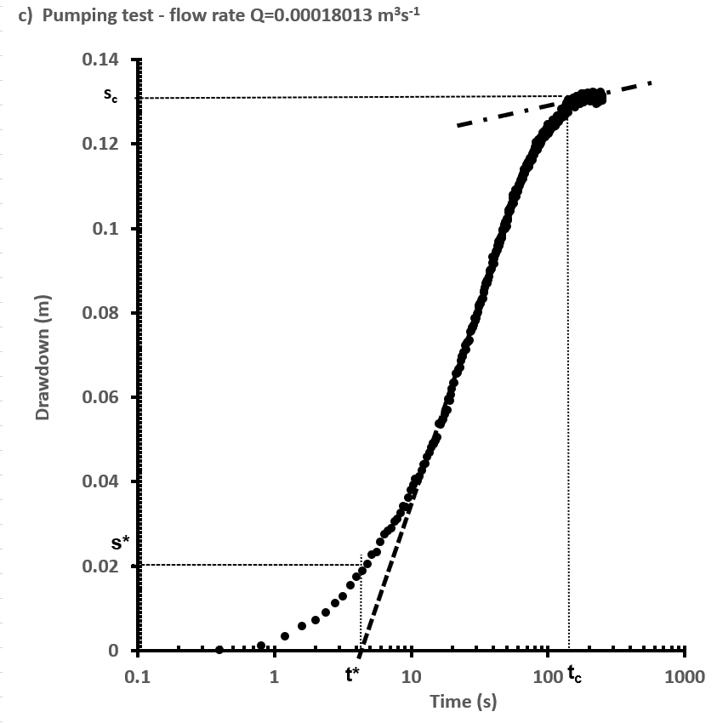
1.2 | 0.003375
1.6 | 0.00575
2 | 0.007125
2.4 | 0.0090375
2.8 | 0.011125
3.2 | 0.01275
3.6 | 0.015375
4 | 0.0175
4.4 | 0.0189
4.8 | 0.0205
5.2 | 0.022625
5.6 | 0.02325
6 | 0.02575
6.4 | 0.0275
6.8 | 0.028375
7.2 | 0.02895
7.6 | 0.0305
8 | 0.031125
8.4 | 0.0325
8.8 | 0.034125
9.2 | 0.033875
9.6 | 0.03625
10 | 0.038
10.4 | 0.03925
10.8 | 0.0405
11.2 | 0.040125
11.6 | 0.04125
12 | 0.0425
12.4 | 0.044
12.8 | 0.044125
13.2 | 0.04575
13.6 | 0.046875
14 | 0.048125
14.4 | 0.049
14.8 | 0.04875
15.2 | 0.049625
15.6 | 0.0505
16 | 0.05375
16.4 | 0.0535
16.8 | 0.054125
17.2 | 0.05475
17.6 | 0.055875
18 | 0.057
18.4 | 0.057
18.8 | 0.0595
19.2 | 0.059125
19.6 | 0.0605
20 | 0.061875
20.4 | 0.063375
20.8 | 0.063375
21.2 | 0.065625
21.6 | 0.065625
22 | 0.06575
22.4 | 0.066625
22.8 | 0.067
23.2 | 0.0685
23.6 | 0.069625
24 | 0.0695
24.4 | 0.0705
24.8 | 0.07225
25.2 | 0.07125
25.6 | 0.07275
26 | 0.073
26.4 | 0.073125
26.8 | 0.073375
27.2 | 0.075375
27.6 | 0.075625
28 | 0.0765
28.4 | 0.0765
28.8 | 0.077125
29.2 | 0.078625
29.6 | 0.078
30 | 0.07875
30.4 | 0.07975
30.8 | 0.08
31.2 | 0.08125
31.6 | 0.081625
32 | 0.082125
32.4 | 0.082125
32.8 | 0.082875
33.2 | 0.083375
33.6 | 0.083375
34 | 0.084625
34.4 | 0.085125
34.8 | 0.085875
35.2 | 0.087
35.6 | 0.08725
36 | 0.086875
36.4 | 0.08775
36.8 | 0.08775
37.2 | 0.0885
37.6 | 0.08975
38 | 0.089875
38.4 | 0.090125
38.8 | 0.090375
39.2 | 0.09175
39.6 | 0.09325
40 | 0.092125
40.4 | 0.0915
40.8 | 0.09275
41.2 | 0.0935
41.6 | 0.094375
42 | 0.094
42.4 | 0.09475
42.8 | 0.09475
43.2 | 0.09575
43.6 | 0.09675
44 | 0.09575
44.4 | 0.097
44.8 | 0.097375
45.2 | 0.096625
45.6 | 0.097875
46 | 0.0975
46.4 | 0.098125
46.8 | 0.099375
47.2 | 0.099625
47.6 | 0.099875
48 | 0.10075
48.4 | 0.100125
48.8 | 0.099875
49.2 | 0.101375
49.6 | 0.101125
50 | 0.100375
50.4 | 0.102125
50.8 | 0.101875
51.2 | 0.10225
51.6 | 0.103625
52 | 0.10425
52.4 | 0.104375
52.8 | 0.104375
53.2 | 0.10475
53.6 | 0.104
54 | 0.10525
54.4 | 0.105
54.8 | 0.105375
55.2 | 0.10575
55.6 | 0.107
56 | 0.107875
56.4 | 0.10575
56.8 | 0.107375
57.2 | 0.108
57.6 | 0.107
58 | 0.109
58.4 | 0.108
58.8 | 0.108375
59.2 | 0.107375
59.6 | 0.108875
60 | 0.109
60.4 | 0.10875
60.8 | 0.109625
61.2 | 0.10975
61.6 | 0.110375
62 | 0.110125
62.4 | 0.11025
62.8 | 0.1105
63.2 | 0.110625
63.6 | 0.11125
64 | 0.111125
64.4 | 0.11175
64.8 | 0.111625
65.2 | 0.11225
65.6 | 0.11175
66 | 0.11275
66.4 | 0.11275
66.8 | 0.114
67.2 | 0.113
67.6 | 0.113375
68 | 0.112875
68.4 | 0.11325
68.8 | 0.11425
69.2 | 0.114
69.6 | 0.113875
70 | 0.114875
70.4 | 0.114875
70.8 | 0.11425
71.2 | 0.115375
71.6 | 0.115125
72 | 0.11575
72.4 | 0.115125
72.8 | 0.115
73.2 | 0.1145
73.6 | 0.115625
74 | 0.11575
74.4 | 0.1165
74.8 | 0.116125
75.2 | 0.116
75.6 | 0.11575
76 | 0.116875
76.4 | 0.11625
76.8 | 0.116125
77.2 | 0.117625
77.6 | 0.11675
78 | 0.11775
78.4 | 0.1175
78.8 | 0.118
79.2 | 0.1175
79.6 | 0.11825
80 | 0.117375
80.4 | 0.11825
80.8 | 0.119125
81.2 | 0.118
81.6 | 0.119
82 | 0.12025
82.4 | 0.118625
82.8 | 0.118625
83.2 | 0.11875
83.6 | 0.119125
84 | 0.118625
84.4 | 0.1195
84.8 | 0.11875
85.2 | 0.119375
85.6 | 0.1195
86 | 0.121
86.4 | 0.12
86.8 | 0.119625
87.2 | 0.120625
87.6 | 0.119875
88 | 0.11975
88.4 | 0.12125
88.8 | 0.120125
89.2 | 0.120375
89.6 | 0.1215
90 | 0.121625
90.4 | 0.121375
90.8 | 0.12075
91.2 | 0.121875
91.6 | 0.1215
92 | 0.122625
92.4 | 0.12175
92.8 | 0.121625
93.2 | 0.121625
93.6 | 0.121875
94 | 0.122125
94.4 | 0.122125
94.8 | 0.122875
95.2 | 0.121625
95.6 | 0.123
96 | 0.122
96.4 | 0.122625
96.8 | 0.122375
97.2 | 0.123
97.6 | 0.122375
98 | 0.123375
98.4 | 0.1225
98.8 | 0.12225
99.2 | 0.12375
99.6 | 0.124125
100 | 0.1245
100.4 | 0.12275
100.8 | 0.122875
101.2 | 0.124
101.6 | 0.122375
102 | 0.123875
102.4 | 0.123375
102.8 | 0.122875
103.2 | 0.123
103.6 | 0.1245
104 | 0.123125
104.4 | 0.123625
104.8 | 0.1245
105.2 | 0.123875
105.6 | 0.123625
106 | 0.12425
106.4 | 0.12425
106.8 | 0.124375
107.2 | 0.124625
107.6 | 0.12475
108 | 0.124625
108.4 | 0.124375
108.8 | 0.1255
109.2 | 0.124375
109.6 | 0.125625
110 | 0.124
110.4 | 0.124375
110.8 | 0.1245
111.2 | 0.125125
111.6 | 0.12425
112 | 0.125
112.4 | 0.12475
112.8 | 0.124375
113.2 | 0.125
113.6 | 0.12525
114 | 0.125
114.4 | 0.12425
114.8 | 0.124625
115.2 | 0.124875
115.6 | 0.124875
116 | 0.126125
116.4 | 0.12525
116.8 | 0.125625
117.2 | 0.126625
117.6 | 0.126
118 | 0.126125
118.4 | 0.125875
118.8 | 0.126625
119.2 | 0.12625
119.6 | 0.1265
120 | 0.12525
120.4 | 0.12625
120.8 | 0.12625
121.2 | 0.126625
121.6 | 0.12575
122 | 0.126
122.4 | 0.125875
122.8 | 0.126875
123.2 | 0.126
123.6 | 0.12675
124 | 0.126125
124.4 | 0.126
124.8 | 0.1265
125.2 | 0.1265
125.6 | 0.1265
126 | 0.127125
126.4 | 0.128125
126.8 | 0.127625
127.2 | 0.127625
127.6 | 0.12725
128 | 0.12625
128.4 | 0.126375
128.8 | 0.12725
129.2 | 0.127625
129.6 | 0.126875
130 | 0.126875
130.4 | 0.127
130.8 | 0.126375
131.2 | 0.127875
131.6 | 0.12725
132 | 0.1285
132.4 | 0.127625
132.8 | 0.12825
133.2 | 0.12825
133.6 | 0.126625
134 | 0.12825
134.4 | 0.12775
134.8 | 0.127625
135.2 | 0.129
135.6 | 0.12825
136 | 0.127375
136.4 | 0.1295
136.8 | 0.1285
137.2 | 0.128625
137.6 | 0.129625
138 | 0.129
138.4 | 0.129
138.8 | 0.127375
139.2 | 0.129
139.6 | 0.1295
140 | 0.129875
140.4 | 0.13
140.8 | 0.127375
141.2 | 0.130375
141.6 | 0.12925
142 | 0.128625
142.4 | 0.13025
142.8 | 0.12925
143.2 | 0.129875
143.6 | 0.129375
144 | 0.128875
144.4 | 0.13
144.8 | 0.129125
145.2 | 0.12925
145.6 | 0.129625
146 | 0.1305
146.4 | 0.12975
146.8 | 0.129625
147.2 | 0.13
147.6 | 0.12925
148 | 0.12925
148.4 | 0.129375
148.8 | 0.1295
149.2 | 0.12925
149.6 | 0.13025
150 | 0.12975
150.4 | 0.12925
150.8 | 0.12975
151.2 | 0.129
151.6 | 0.130125
152 | 0.129
152.4 | 0.12975
152.8 | 0.130125
153.2 | 0.13075
153.6 | 0.1295
154 | 0.12925
154.4 | 0.13025
154.8 | 0.129125
155.2 | 0.129625
155.6 | 0.129
156 | 0.12875
156.4 | 0.12925
156.8 | 0.12925
157.2 | 0.12925
157.6 | 0.129
158 | 0.1295
158.4 | 0.129375
158.8 | 0.129375
159.2 | 0.128625
159.6 | 0.12975
160 | 0.129125
160.4 | 0.1305
160.8 | 0.12925
161.2 | 0.129875
161.6 | 0.130625
162 | 0.13
162.4 | 0.1295
162.8 | 0.130375
163.2 | 0.131125
163.6 | 0.13075
164 | 0.13
164.4 | 0.131125
164.8 | 0.13025
165.2 | 0.130625
165.6 | 0.13
166 | 0.130125
166.4 | 0.13075
166.8 | 0.13075
167.2 | 0.130875
167.6 | 0.129875
168 | 0.130125
168.4 | 0.13025
168.8 | 0.13075
169.2 | 0.131125
169.6 | 0.131
170 | 0.130375
170.4 | 0.130375
170.8 | 0.130375
171.2 | 0.13
171.6 | 0.129375
172 | 0.13025
172.4 | 0.131375
172.8 | 0.130125
173.2 | 0.130625
173.6 | 0.130875
174 | 0.13025
174.4 | 0.13125
174.8 | 0.1305
175.2 | 0.1315
175.6 | 0.13125
176 | 0.131125
176.4 | 0.131375
176.8 | 0.131375
177.2 | 0.13175
177.6 | 0.13125
178 | 0.131875
178.4 | 0.131
178.8 | 0.131
179.2 | 0.1315
179.6 | 0.131
180 | 0.1315
180.4 | 0.131875
180.8 | 0.131
181.2 | 0.131
181.6 | 0.13075
182 | 0.129875
182.4 | 0.12975
182.8 | 0.131
183.2 | 0.130375
183.6 | 0.1315
184 | 0.130625
184.4 | 0.130875
184.8 | 0.131
185.2 | 0.131
185.6 | 0.131875
186 | 0.131875
186.4 | 0.130875
186.8 | 0.130625
187.2 | 0.130375
187.6 | 0.130625
188 | 0.1315
188.4 | 0.13025
188.8 | 0.131375
189.2 | 0.1305
189.6 | 0.131375
190 | 0.131
190.4 | 0.130625
190.8 | 0.13075
191.2 | 0.131125
191.6 | 0.130875
192 | 0.13025
192.4 | 0.130875
192.8 | 0.130875
193.2 | 0.130625
193.6 | 0.13175
194 | 0.130875
194.4 | 0.131875
194.8 | 0.131625
195.2 | 0.130625
195.6 | 0.130375
196 | 0.130125
196.4 | 0.13125
196.8 | 0.1315
197.2 | 0.132125
197.6 | 0.130875
198 | 0.13025
198.4 | 0.13175
198.8 | 0.130375
199.2 | 0.131
199.6 | 0.130375
200 | 0.13025
200.4 | 0.13025
200.8 | 0.130375
201.2 | 0.13075
201.6 | 0.13025
202 | 0.130375
202.4 | 0.13025
202.8 | 0.130875
203.2 | 0.1315
203.6 | 0.131625
204 | 0.13
204.4 | 0.130125
204.8 | 0.13175
205.2 | 0.13125
205.6 | 0.130125
206 | 0.130625
206.4 | 0.1315
206.8 | 0.13075
207.2 | 0.13075
207.6 | 0.1305
208 | 0.13075
208.4 | 0.130625
208.8 | 0.130875
209.2 | 0.131
209.6 | 0.13025
210 | 0.1305
210.4 | 0.131875
210.8 | 0.13125
211.2 | 0.13125
211.6 | 0.1305
212 | 0.130375
212.4 | 0.131375
212.8 | 0.13175
213.2 | 0.130125
213.6 | 0.13125
214 | 0.13225
214.4 | 0.13075
214.8 | 0.130875
215.2 | 0.131875
215.6 | 0.131125
216 | 0.132
216.4 | 0.13075
216.8 | 0.1315
217.2 | 0.130625
217.6 | 0.13175
218 | 0.131125
218.4 | 0.13075
218.8 | 0.131
219.2 | 0.131375
219.6 | 0.132
220 | 0.130875
220.4 | 0.13175
220.8 | 0.130875
221.2 | 0.131875
221.6 | 0.1305
222 | 0.13125
222.4 | 0.13075
222.8 | 0.131375
223.2 | 0.1305
223.6 | 0.130375
224 | 0.130875
224.4 | 0.13175
224.8 | 0.1315
225.2 | 0.131125
225.6 | 0.130875
226 | 0.131
226.4 | 0.1295
226.8 | 0.130125
227.2 | 0.13
227.6 | 0.131
228 | 0.12975
228.4 | 0.130625
228.8 | 0.1315
229.2 | 0.131
229.6 | 0.129625
230 | 0.13075
230.4 | 0.13075
230.8 | 0.131125
231.2 | 0.13
231.6 | 0.13175
232 | 0.131
232.4 | 0.13075
232.8 | 0.131125
233.2 | 0.131
233.6 | 0.13025
234 | 0.131
234.4 | 0.13075
234.8 | 0.129875
235.2 | 0.13075
235.6 | 0.13
236 | 0.13075
236.4 | 0.130125
236.8 | 0.130125
237.2 | 0.131
237.6 | 0.130875
238 | 0.13025
238.4 | 0.130625
238.8 | 0.13025
239.2 | 0.130625
239.6 | 0.13075
240 | 0.131375
240.4 | 0.130125
240.8 | 0.1315
241.2 | 0.1305
241.6 | 0.130125
242 | 0.131375
242.4 | 0.13225
242.8 | 0.132125
243.2 | 0.13175
243.6 | 0.132
244 | 0.13125
244.4 | 0.130625
244.8 | 0.13125
245.2 | 0.130625
245.6 | 0.131375
246 | 0.130875
246.4 | 0.1315
246.8 | 0.13125
247.2 | 0.1305
247.6 | 0.131
248 | 0.130625
248.4 | 0.130125
248.8 | 0.131375
249.2 | 0.130875
249.6 | 0.130875
250 | 0.13025

